Instruction
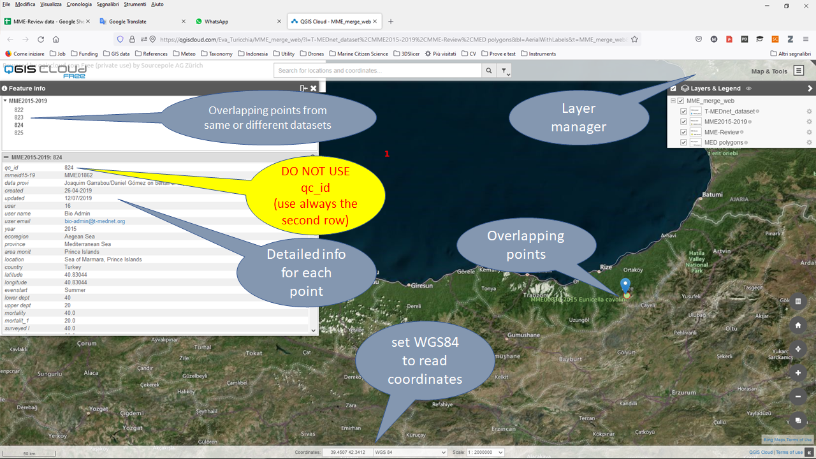
 | Cross-check of datasets

Datasets | Description | Possible issues
T-MEDnet | Dataset already public available on the T-MEDnet portal | some points may need to be relocated, mainly because they were entered with a few decimals
MME2015-2019 | Dataset submitted for publication | some points may need to be relocated, mainly because they were entered with a few decimals
MMM_Review | Dataset from literature review exercise | - some points may need to be relocated, mainly because they were entered with a few decimals - some records may need to be deleted because they are already present in one of the two previous datasets

Coordinate system | WGS84 latitude and longitude (EPSG:4326) in decimal degree, please provide at least 4 decimals

Privately shared map | Switch on/off layers to see and compare different datasets
 | Point labels provide dataset record ID, year, species name
 | Click on point to obtain more information
 | Med was divided in working polygons [1-28]

 | https://qgiscloud.com/Eva_Turicchia/MME_merge_web/

Hi-res bathymetry | https://webapp.navionics.com |  | Polygon | Reviewers | Reviewers | Reviewers
 |  |  | 2 | Massimo Ponti | Eva | Kipson | Completed
 |  |  | 3 | Gil Rilov |  |  | Completed
 |  |  | 4 | Jamila Ben soussi
 |  |  | 5 | Eva |  |  | Completed
 |  |  | 6 | Stelios | Vasilis |  | Completed
 |  |  | 7 | Tato | Free | Hocein | Completed
 |  |  | 8 | Alfonso Ramos | Diego Kersting
 |  |  | 9 | Free | Hocein |  | Completed
 |  |  | 10 | Tato | Kipson |  | Completed
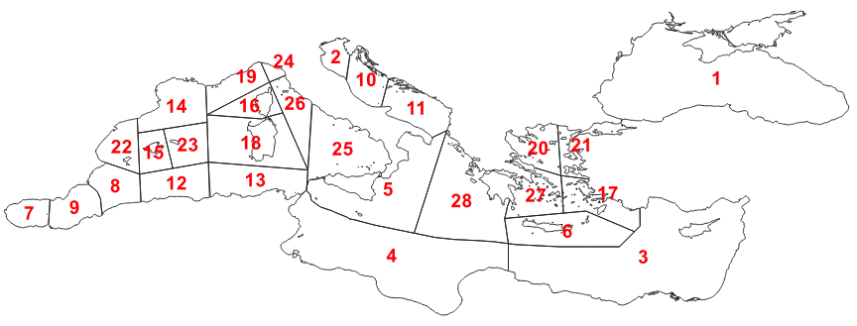
 |  |  | 11 | Kipson |  |  | Completed
 |  |  | 12 | Samir Grimes
 |  |  | 13 | Jamila Ben soussi | Sandra |  | Completed
 |  |  | 14 | Quim/Ledoux | UB team | Maite | Completed
 |  |  | 15 | Cristina Linares | Paula | Maite
 |  |  | 16 | Quim/Ledoux | Dani |  | Completed
 |  |  | 17 | Stelios |  |  | Completed
 |  |  | 18 | Ivan Guala | Daniele Grech |  | Completed
 |  |  | 19 | Quim | Nuria Teixido | Alice Mirasole | Completed
 |  |  | 20 | Maria Sini | Stelios | Vasilis | Completed
 |  |  | 21 | Maria Sini | Stelios | Vasilis | Completed
 |  |  | 22 | Alfonso Ramos | Diego Kersting | Cristina Linares
 |  |  | 23 | Cristina Linares | Emma Cebrian
 |  |  | 24 | Carlo Cerrano | Tato | Montefalcone | Completed
 |  |  | 25 | Simone F | Laura T | Maria Cristina Gambi
 |  |  | 26 | Massimo Ponti | Eva |  | Completed
 |  |  | 27 | Maria Sini | Stelios |  | Completed
 |  |  | 28 | Stelios | Vasilis | Maria | Completed

